DAY SALES
SALES BY DAYS
Row Labels | Sum of Sales
Thursday | 101.8K
Sunday | 106.9K
Friday | 107.9K
Wednesday | 112.8K
Saturday | 115.6K
Tuesday | 120.1K
Monday | 121.4K
Grand Total | 786.6K

MONTH SALES
Sales and Sales% By Months
 |  |  | RIGHT CLICK
 |  |  | SHOW VALUES AS GRAND TOTAL
Row Labels | Sum of Sales | Sum of Sales2
January | 83.2k | 10.58%
February | 60.0k | 7.63%
March | 64.9k | 8.25%
April | 70.9k | 9.01%
May | 53.3k | 6.78%
June | 55.4k | 7.04%
July | 69.1k | 8.78%
August | 66.4k | 8.45%
September | 64.8k | 8.24%
October | 69.1k | 8.78%
November | 60.0k | 7.62%
December | 69.5k | 8.83%
Grand Total | 786.6k | 100.00%

TOP 5 CUST
TOP 5 CUSTOMERS by Sales
Row Labels | Sum of Sales
Mohan | 67.5K
Raveena | 63.6K
Reena | 72.8K
Sunny | 78.6K
Surya | 65.1K
Grand Total | 347.5K

DEPT SALES
SALES BY DEPARTMENT
Row Labels | Sum of Sales
Marketing | 272.0K
Operations | 271.2K
Sales | 243.3K
Grand Total | 786.6K

OUTPUT
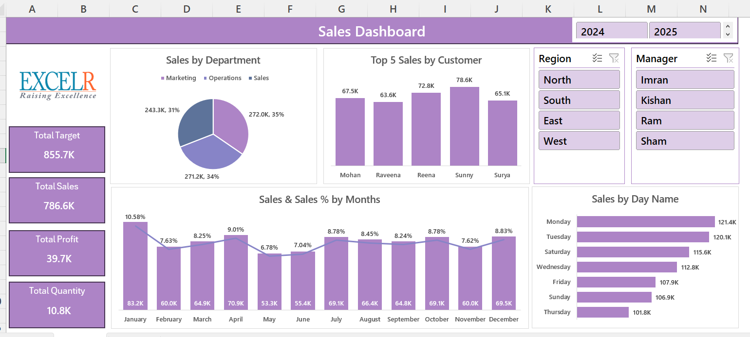

MY DASHBOARD
SALES DASHBOARD

SALES BY DEPARTMENT
 | Total
Marketing | 272.0K
Operations | 271.2K
Sales | 243.3K
TOP 5 CUSTOMERS by Sales
 | Total
Mohan | 67.5K
Raveena | 63.6K
Reena | 72.8K
Sunny | 78.6K
Surya | 65.1K


TOTAL TARGET
855.7K

Sales and Sales% By Months
 | Sum of Sales | Sum of Sales2
January | 83.2k | 10.58%
February | 60.0k | 7.63%
March | 64.9k | 8.25%
April | 70.9k | 9.01%
May | 53.3k | 6.78%
June | 55.4k | 7.04%
July | 69.1k | 8.78%
August | 66.4k | 8.45%
September | 64.8k | 8.24%
October | 69.1k | 8.78%
November | 60.0k | 7.62%
December | 69.5k | 8.83%
SALES BY DAYS
 | Total
Thursday | 101.8K
Sunday | 106.9K
Friday | 107.9K
Wednesday | 112.8K
Saturday | 115.6K
Tuesday | 120.1K
Monday | 121.4K
TOTAL SALES
786.6K

TOTAL PROFIT
39.7K

TOTAL QUANTITY
10.8K

